Tuning result
Tuning result

Tuning Conditions
 | Setup item | Setting value
 | Model Information
 | Exposure upper limit (us) | -
 | Angle (skew) during tuning | -
 | Angle (pitch) during tuning | -

Light Settings
 | Setup item | Setting value
 | Use internal lighting | -
 | Use external lighting | -

Reading Details
 | Tuning graph | Captured image
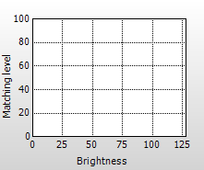

Tuning result
 | Setup item | Setting value
 | Symbology
 | Reverse read | -
 | Decode timeout(x10 ms) | -
 | Type of internal lighting | Direct light
 | Exposure (us) | -
 | Gain | -
 | Image filter
 | Image capture range
 | PPC
 | Code size width (approximation; mm) | ---
 | Cell size width (approximation; mm) | ---

Test result
Test result

Captured image
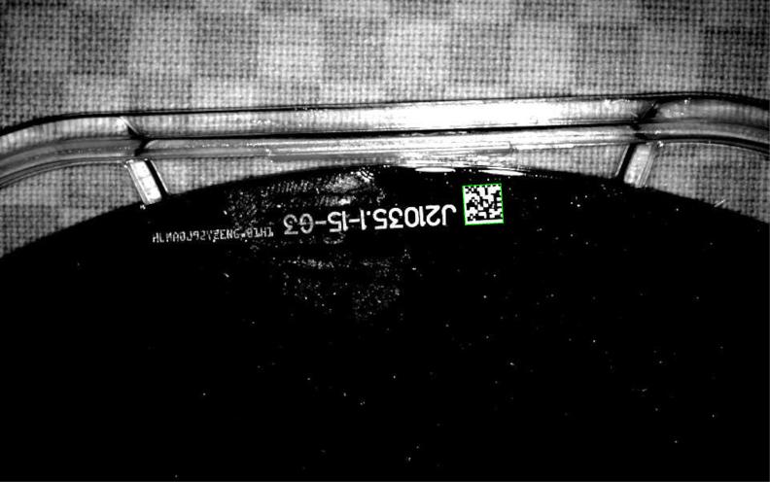

Read rate test result
 |  |  | Item |  | Value
 |  |  | Read Data |  | J21035-15
 |  |  | Reading rate (%) |  | 100 to 100
 |  |  | Matching level |  | 84 to 84
 |  |  | Parameter bank |  | 1
 |  |  | Symbology |  | DataMatrix
 |  |  | Cell size (mm) |  | 0.29
 |  |  | PPC |  | 6.8

Tact test result
 |  |  | Item |  | Value
 |  |  | Read Data
 |  |  | Parameter bank
 |  |  | Read time (ms) |  | ---

Depth test results
 |  |  | Item |  | Value
 |  |  | Reading depth (mm)
 |  |  | Depth: Near (mm)
 |  |  | Depth: Far (mm)
 |  |  | Field of view: Near (mm)
 |  |  | Field of view: Far (mm)

Speed test
 |  |  | Item |  | Value
 |  |  | Capture count of 2 (m/s)
 |  |  | Capture count of 3 or higher (m/s)

Verification test results

 | Overall

 | Evaluation item name | Grade |  |  | Evaluation value
 | - | - |  | - | -
 | - | - |  | - | -
 | - | - |  | - | -
 | - | - |  | - | -
 | - | - |  | - | -
 | - | - |  | - | -
 | - | - |  | - | -
 | - | - |  | - | -
 | - | - |  | - | -
 | - | - |  | - | -
 | - | - |  | - | -
 | - | - |  | - | -
 | - | - |  | - | -
 | - | - |  | - | -
 | - | - |  | - | -
 | - | - |  | - | -
 | - | - |  | - | -
 | - | - |  | - | -
 | - | - |  | - | -
 | - | - |  | - | -
 | - | - |  | - | -
 | - | - |  | - | -
 | - | - |  | - | -

 |  |  | Code information |  | Value
 |  |  | Read Data |  | -
 |  |  | Symbology |  | -
 |  |  | PPC |  | -
 |  |  | Cell size width (approximation; mm) |  | -

Code image

